Master Inventory
Image | Item Code | Description | Size | Notes | Units | Selling Units | MSRP | EXT QTY | Extended MSRP
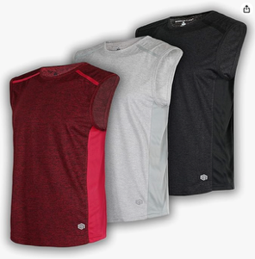 | BRJXBYAT353-26L | Boy's Dry-Fit Moisture Wicking Active Athletic Performance Muscle Tank|SET-26|L | Large | Packed 3 Pieces in a POLY - COUNTED AS 3 | 138 | 3 | $18.00 | 414 | $7,452.00
 | BRJXBYAT353-26M | Boy's Dry-Fit Moisture Wicking Active Athletic Performance Muscle Tank|SET-26|M | Medium | Packed 3 Pieces in a POLY - COUNTED AS 3 | 101 | 3 | $18.00 | 303 | $5,454.00
 | BRJXBYAT353-26S | Boy's Dry-Fit Moisture Wicking Active Athletic Performance Muscle Tank|SET-26|S | Small | Packed 3 Pieces in a POLY - COUNTED AS 3 | 38 | 3 | $18.00 | 114 | $2,052.00
 | BRJXBYAT353-26XL | Boy's Dry-Fit Moisture Wicking Active Athletic Performance Muscle Tank|SET-26|XL | Extra Large | Packed 3 Pieces in a POLY - COUNTED AS 3 | 33 | 3 | $18.00 | 99 | $1,782.00
 | BRJXBYAT354-27L | Boy's Dry-Fit Moisture Wicking Active Athletic Performance Muscle Tank|SET-27|L | Large | Packed 3 Pieces in a POLY - COUNTED AS 3 | 62 | 3 | $18.00 | 186 | $3,348.00
 | BRJXBYAT354-27M | Boy's Dry-Fit Moisture Wicking Active Athletic Performance Muscle Tank|SET-27|M | Medium | Packed 3 Pieces in a POLY - COUNTED AS 3 | 53 | 3 | $18.00 | 159 | $2,862.00
 | BRJXBYAT354-27S | Boy's Dry-Fit Moisture Wicking Active Athletic Performance Muscle Tank|SET-27|S | Small | Packed 3 Pieces in a POLY - COUNTED AS 3 | 14 | 3 | $18.00 | 42 | $756.00
 | BRJXBYAT354-27XL | Boy's Dry-Fit Moisture Wicking Active Athletic Performance Muscle Tank|SET-27|XL | Extra Large | Packed 3 Pieces in a POLY - COUNTED AS 3 | 36 | 3 | $18.00 | 108 | $1,944.00
 | BRJXBYAT355-28L | Boy's Dry-Fit Moisture Wicking Active Athletic Performance Muscle Tank|SET-28|L | Large | Packed 3 Pieces in a POLY - COUNTED AS 3 | 50 | 3 | $18.00 | 150 | $2,700.00
 | BRJXBYAT355-28M | Boy's Dry-Fit Moisture Wicking Active Athletic Performance Muscle Tank|SET-28|M | Medium | Packed 3 Pieces in a POLY - COUNTED AS 3 | 46 | 3 | $18.00 | 138 | $2,484.00
 | BRJXBYAT355-28S | Boy's Dry-Fit Moisture Wicking Active Athletic Performance Muscle Tank|SET-28|S | Small | Packed 3 Pieces in a POLY - COUNTED AS 3 | 8 | 3 | $18.00 | 24 | $432.00
 | BRJXBYAT355-28XL | Boy's Dry-Fit Moisture Wicking Active Athletic Performance Muscle Tank|SET-28|XL | Extra Large | Packed 3 Pieces in a POLY - COUNTED AS 3 | 8 | 3 | $18.00 | 24 | $432.00
 | BRJXBYAT356-29L | Boy's Dry-Fit Moisture Wicking Active Athletic Performance Muscle Tank|SET-29|L | Large | Packed 3 Pieces in a POLY - COUNTED AS 3 | 129 | 3 | $18.00 | 387 | $6,966.00
 | BRJXBYAT356-29M | Boy's Dry-Fit Moisture Wicking Active Athletic Performance Muscle Tank|SET-29|M | Medium | Packed 3 Pieces in a POLY - COUNTED AS 3 | 125 | 3 | $18.00 | 375 | $6,750.00
 | BRJXBYAT356-29S | Boy's Dry-Fit Moisture Wicking Active Athletic Performance Muscle Tank|SET-29|S | Small | Packed 3 Pieces in a POLY - COUNTED AS 3 | 51 | 3 | $18.00 | 153 | $2,754.00
 | BRJXBYAT356-29XL | Boy's Dry-Fit Moisture Wicking Active Athletic Performance Muscle Tank|SET-29|XL | Extra Large | Packed 3 Pieces in a POLY - COUNTED AS 3 | 52 | 3 | $18.00 | 156 | $2,808.00
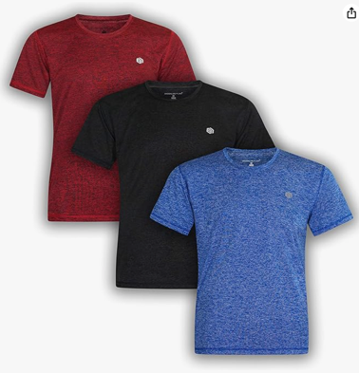 | BRJXBYAC300-21L | Boy's Performance Dry-Fit Moisture Wicking Active Athletic Performance Crew Neck|SET-21|L(14/16) | Large | Packed 3 Pieces in a POLY - COUNTED AS 3 | 98 | 3 | $20.00 | 294 | $5,880.00
 | BRJXBYAC300-21M | Boy's Performance Dry-Fit Moisture Wicking Active Athletic Performance Crew Neck|SET-21|M(10/12) | Medium | Packed 3 Pieces in a POLY - COUNTED AS 3 | 127 | 3 | $20.00 | 381 | $7,620.00
 | BRJXBYAC300-21S | Boy's Performance Dry-Fit Moisture Wicking Active Athletic Performance Crew Neck|SET-21|S(8) | Small | Packed 3 Pieces in a POLY - COUNTED AS 3 | 63 | 3 | $20.00 | 189 | $3,780.00
 | BRJXBYAC300-21XL | Boy's Performance Dry-Fit Moisture Wicking Active Athletic Performance Crew Neck|SET-21|XL(18/20) | Extra Large | Packed 3 Pieces in a POLY - COUNTED AS 3 | 53 | 3 | $20.00 | 159 | $3,180.00
 | BRJXBYAC301-22L | Boy's Performance Dry-Fit Moisture Wicking Active Athletic Performance Crew Neck|SET-22|L(14/16) | Large | Packed 3 Pieces in a POLY - COUNTED AS 3 | 125 | 3 | $20.00 | 375 | $7,500.00
 | BRJXBYAC301-22M | Boy's Performance Dry-Fit Moisture Wicking Active Athletic Performance Crew Neck|SET-22|M(10/12) | Medium | Packed 3 Pieces in a POLY - COUNTED AS 3 | 49 | 3 | $20.00 | 147 | $2,940.00
 | BRJXBYAC301-22S | Boy's Performance Dry-Fit Moisture Wicking Active Athletic Performance Crew Neck|SET-22|S(8) | Small | Packed 3 Pieces in a POLY - COUNTED AS 3 | 29 | 3 | $20.00 | 87 | $1,740.00
 | BRJXBYAC301-22XL | Boy's Performance Dry-Fit Moisture Wicking Active Athletic Performance Crew Neck|SET-22|XL(18/20) | Extra Large | Packed 3 Pieces in a POLY - COUNTED AS 3 | 51 | 3 | $20.00 | 153 | $3,060.00
 | BRJXBYAC302-23L | Boy's Performance Dry-Fit Moisture Wicking Active Athletic Performance Crew Neck|SET-23|L(14/16) | Large | Packed 3 Pieces in a POLY - COUNTED AS 3 | 61 | 3 | $20.00 | 183 | $3,660.00
 | BRJXBYAC302-23M | Boy's Performance Dry-Fit Moisture Wicking Active Athletic Performance Crew Neck|SET-23|M(10/12) | Medium | Packed 3 Pieces in a POLY - COUNTED AS 3 | 62 | 3 | $20.00 | 186 | $3,720.00
 | BRJXBYAC302-23S | Boy's Performance Dry-Fit Moisture Wicking Active Athletic Performance Crew Neck|SET-23|S(8) | Small | Packed 3 Pieces in a POLY - COUNTED AS 3 | 16 | 3 | $20.00 | 48 | $960.00
 | BRJXBYAC302-23XL | Boy's Performance Dry-Fit Moisture Wicking Active Athletic Performance Crew Neck|SET-23|XL(18/20) | Extra Large | Packed 3 Pieces in a POLY - COUNTED AS 3 | 7 | 3 | $20.00 | 21 | $420.00
 | BRJXBYAC303-24L | Boy's Performance Dry-Fit Moisture Wicking Active Athletic Performance Crew Neck|SET-24|L(14/16) | Large | Packed 3 Pieces in a POLY - COUNTED AS 3 | 51 | 3 | $20.00 | 153 | $3,060.00
 | BRJXBYAC303-24M | Boy's Performance Dry-Fit Moisture Wicking Active Athletic Performance Crew Neck|SET-24|M(10/12) | Medium | Packed 3 Pieces in a POLY - COUNTED AS 3 | 61 | 3 | $20.00 | 183 | $3,660.00
 | BRJXBYAC303-24S | Boy's Performance Dry-Fit Moisture Wicking Active Athletic Performance Crew Neck|SET-24|S(8) | Small | Packed 3 Pieces in a POLY - COUNTED AS 3 | 44 | 3 | $20.00 | 132 | $2,640.00
 | BRJXBYAC303-24XL | Boy's Performance Dry-Fit Moisture Wicking Active Athletic Performance Crew Neck|SET-24|XL(18/20) | Extra Large | Packed 3 Pieces in a POLY - COUNTED AS 3 | 41 | 3 | $20.00 | 123 | $2,460.00
 | BRJXBYAC304-25L | Boy's Performance Dry-Fit Moisture Wicking Active Athletic Performance Crew Neck|SET-25|L(14/16) | Large | Packed 3 Pieces in a POLY - COUNTED AS 3 | 43 | 3 | $20.00 | 129 | $2,580.00
 | BRJXBYAC304-25M | Boy's Performance Dry-Fit Moisture Wicking Active Athletic Performance Crew Neck|SET-25|M(10/12) | Medium | Packed 3 Pieces in a POLY - COUNTED AS 3 | 29 | 3 | $20.00 | 87 | $1,740.00
 | BRJXBYAC304-25S | Boy's Performance Dry-Fit Moisture Wicking Active Athletic Performance Crew Neck|SET-25|S(8) | Small | Packed 3 Pieces in a POLY - COUNTED AS 3 | 25 | 3 | $20.00 | 75 | $1,500.00
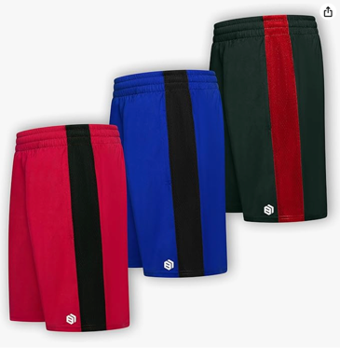 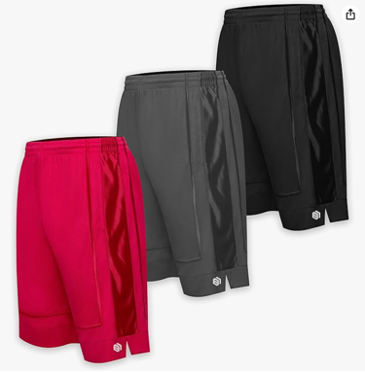 | BRJX2907BYS-S7L | Boys Active Shorts-1|SET 7|L(14/16) | Large | Packed 5 Pieces in a POLY - COUNTED AS 5 | 48 | 5 | $28.00 | 240 | $6,720.00
 | BRJX2907BYS-S7M | Boys Active Shorts-1|SET 7|M(10/12) | Medium | Packed 5 Pieces in a POLY - COUNTED AS 5 | 65 | 5 | $28.00 | 325 | $9,100.00
 | BRJX2907BYS-S7S | Boys Active Shorts-1|SET 7|S(8) | Small | Packed 5 Pieces in a POLY - COUNTED AS 5 | 37 | 5 | $28.00 | 185 | $5,180.00
 | BRJX2907BYS-S7XL | Boys Active Shorts-1|SET 7|XL(18) | Extra Large | Packed 5 Pieces in a POLY - COUNTED AS 5 | 39 | 5 | $28.00 | 195 | $5,460.00
 | BRJX2907BYS-S8L | Boys Active Shorts-1|SET 8|L(14/16) | Large | Packed 5 Pieces in a POLY - COUNTED AS 5 | 71 | 5 | $28.00 | 355 | $9,940.00
 | BRJX2907BYS-S8M | Boys Active Shorts-1|SET 8|M(10/12) | Medium | Packed 5 Pieces in a POLY - COUNTED AS 5 | 51 | 5 | $28.00 | 255 | $7,140.00
 | BRJX2907BYS-S8S | Boys Active Shorts-1|SET 8|S(8) | Small | Packed 5 Pieces in a POLY - COUNTED AS 5 | 34 | 5 | $28.00 | 170 | $4,760.00
 | BRJX2907BYS-S8XL | Boys Active Shorts-1|SET 8|XL(18) | Extra Large | Packed 5 Pieces in a POLY - COUNTED AS 5 | 41 | 5 | $28.00 | 205 | $5,740.00
 | BRJXF18-02BYS-S11M | Boys Active Shorts-2|SET-11|M(10/12) | Medium | Packed 5 Pieces in a POLY - COUNTED AS 5 | 41 | 5 | $28.00 | 205 | $5,740.00
 | BRJXF18-02BYS-S11S | Boys Active Shorts-2|SET-11|S(8) | Small | Packed 5 Pieces in a POLY - COUNTED AS 5 | 21 | 5 | $28.00 | 105 | $2,940.00
 | BRJXF18-02BYS-S11XL | Boys Active Shorts-2|SET-11|XL(18) | Extra Large | Packed 5 Pieces in a POLY - COUNTED AS 5 | 19 | 5 | $28.00 | 95 | $2,660.00
 | BRJXF18-02BYS-S12L | Boys Active Shorts-2|SET-12|L(14/16) | Large | Packed 5 Pieces in a POLY - COUNTED AS 5 | 29 | 5 | $28.00 | 145 | $4,060.00
 | BRJXF18-02BYS-S12M | Boys Active Shorts-2|SET-12|M(10/12) | Medium | Packed 5 Pieces in a POLY - COUNTED AS 5 | 32 | 5 | $28.00 | 160 | $4,480.00
 | BRJXF18-02BYS-S12S | Boys Active Shorts-2|SET-12|S(8) | Small | Packed 5 Pieces in a POLY - COUNTED AS 5 | 11 | 5 | $28.00 | 55 | $1,540.00
 | BRJXF18-02BYS-S12XL | Boys Active Shorts-2|SET-12|XL(18) | Extra Large | Packed 5 Pieces in a POLY - COUNTED AS 5 | 20 | 5 | $28.00 | 100 | $2,800.00
 | BRJX82019BYS-S15M | Boys Active Shorts-2|SET-15|M(10/12) | Medium | Packed 5 Pieces in a POLY - COUNTED AS 5 | 37 | 5 | $28.00 | 185 | $5,180.00
 | BRJX82019BYS-S15S | Boys Active Shorts-2|SET-15|S(8) | Small | Packed 5 Pieces in a POLY - COUNTED AS 5 | 6 | 5 | $28.00 | 30 | $840.00
 | BRJX82019BYS-S16L | Boys Active Shorts-2|SET-16|L(14/16) | Large | Packed 5 Pieces in a POLY - COUNTED AS 5 | 35 | 5 | $28.00 | 175 | $4,900.00
 | BRJX82019BYS-S16M | Boys Active Shorts-2|SET-16|M(10/12) | Medium | Packed 5 Pieces in a POLY - COUNTED AS 5 | 1 | 5 | $28.00 | 5 | $140.00
 | BRJX82019BYS-S16S | Boys Active Shorts-2|SET-16|S(8) | Small | Packed 5 Pieces in a POLY - COUNTED AS 5 | 31 | 5 | $28.00 | 155 | $4,340.00
 | BRJX82019BYS-S16XL | Boys Active Shorts-2|SET-16|XL(18) | Extra Large | Packed 5 Pieces in a POLY - COUNTED AS 5 | 7 | 5 | $28.00 | 35 | $980.00
 | BRJXH8-02BYS-S19M | Boys Active Shorts-2|SET-19|M(10/12) | Medium | Packed 5 Pieces in a POLY - COUNTED AS 5 | 22 | 5 | $28.00 | 110 | $3,080.00
 | BRJXH8-02BYS-S19S | Boys Active Shorts-2|SET-19|S(8) | Small | Packed 5 Pieces in a POLY - COUNTED AS 5 | 21 | 5 | $28.00 | 105 | $2,940.00
 | BRJXH8-02BYS-S19XL | Boys Active Shorts-2|SET-19|XL(18) | Extra Large | Packed 5 Pieces in a POLY - COUNTED AS 5 | 6 | 5 | $28.00 | 30 | $840.00
 | BRJXH8-02BYS-S20L | Boys Active Shorts-2|SET-20|L(14/16) | Large | Packed 5 Pieces in a POLY - COUNTED AS 5 | 3 | 5 | $28.00 | 15 | $420.00
 | BRJXH8-02BYS-S20M | Boys Active Shorts-2|SET-20|M(10/12) | Medium | Packed 5 Pieces in a POLY - COUNTED AS 5 | 2 | 5 | $28.00 | 10 | $280.00
 | BRJXH8-02BYS-S20S | Boys Active Shorts-2|SET-20|S(8) | Small | Packed 5 Pieces in a POLY - COUNTED AS 5 | 5 | 5 | $28.00 | 25 | $700.00
 | BRJXH8-02BYS-S20XL | Boys Active Shorts-2|SET-20|XL(18) | Extra Large | Packed 5 Pieces in a POLY - COUNTED AS 5 | 20 | 5 | $28.00 | 100 | $2,800.00
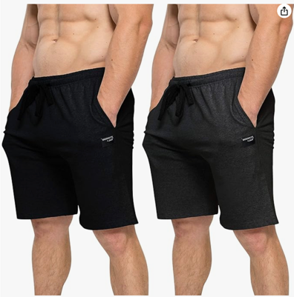
 | BKJXMLSH904L | Men Lounge Shorts|Set-4|L | Large | 2 Shorts Banded Together - Each with MSRPs - COUNTED AS 2 | 25 | 2 | $24.00 | 50 | $1,200.00
 | BKJXMLSH904XL | Men Lounge Shorts|Set-4|XL | Extra Large | 2 Shorts Banded Together - Each with MSRPs - COUNTED AS 2 | 20 | 2 | $24.00 | 40 | $960.00
 | BKJXMLSH905M | Men Lounge Shorts|Set-5|M | Medium | 2 Shorts Banded Together - Each with MSRPs - COUNTED AS 2 | 12 | 2 | $24.00 | 24 | $576.00
 | BKJXMLSH906L | Men Lounge Shorts|Set-6|L | Large | 2 Shorts Banded Together - Each with MSRPs - COUNTED AS 2 | 8 | 2 | $24.00 | 16 | $384.00
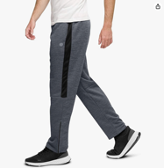 | BRJXMJGP-2-S5L | Men Tricot Pant|Set-5|L | Large | Single Pant | 70 | 1 | $32.00 | 70 | $2,240.00
 | BRJXMJGP-2-S5M | Men Tricot Pant|Set-5|M | Medium | Single Pant | 29 | 1 | $32.00 | 29 | $928.00
 | BRJXMJGP-2-S62XL | Men Tricot Pant|Set-6|2XL | 2XL | Single Pant | 17 | 1 | $32.00 | 17 | $544.00
 | BRJXMJGP-2-S6L | Men Tricot Pant|Set-6|L | Large | Single Pant | 26 | 1 | $32.00 | 26 | $832.00
 | BRJXMJGP-2-S6M | Men Tricot Pant|Set-6|M | Medium | Single Pant | 29 | 1 | $32.00 | 29 | $928.00
 | BRJXMJGP-2-S6XL | Men Tricot Pant|Set-6|XL | Extra Large | Single Pant | 31 | 1 | $32.00 | 31 | $992.00
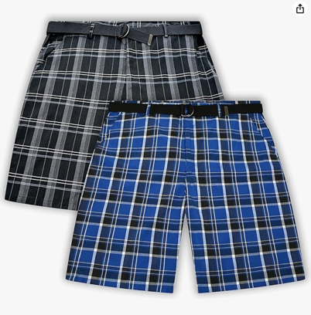 | BRKJX-BMPS-S1-44 | Men-Active Shorts-PLAID|Set-1|44 | 44 | Packed 2 Pieces in a POLY - COUNTED AS 2 | 180 | 2 | $44.00 | 360 | $15,840.00
 | BRKJX-BMPS-S1-46 | Men-Active Shorts-PLAID|Set-1|46 | 46 | Packed 2 Pieces in a POLY - COUNTED AS 2 | 164 | 2 | $44.00 | 328 | $14,432.00
 | BRKJX-BMPS-S1-48 | Men-Active Shorts-PLAID|Set-1|48 | 48 | Packed 2 Pieces in a POLY - COUNTED AS 2 | 73 | 2 | $44.00 | 146 | $6,424.00
 | BRKJX-BMPS-S1-50 | Men-Active Shorts-PLAID|Set-1|50 | 50 | Packed 2 Pieces in a POLY - COUNTED AS 2 | 75 | 2 | $44.00 | 150 | $6,600.00
 | BRKJX-BMPS-S2-44 | Men-Active Shorts-PLAID|Set-2|44 | 44 | Packed 2 Pieces in a POLY - COUNTED AS 2 | 135 | 2 | $44.00 | 270 | $11,880.00
 | BRKJX-BMPS-S2-46 | Men-Active Shorts-PLAID|Set-2|46 | 46 | Packed 2 Pieces in a POLY - COUNTED AS 2 | 135 | 2 | $44.00 | 270 | $11,880.00
 | BRKJX-BMPS-S2-48 | Men-Active Shorts-PLAID|Set-2|48 | 48 | Packed 2 Pieces in a POLY - COUNTED AS 2 | 55 | 2 | $44.00 | 110 | $4,840.00
 | BRKJX-BMPS-S2-50 | Men-Active Shorts-PLAID|Set-2|50 | 50 | Packed 2 Pieces in a POLY - COUNTED AS 2 | 65 | 2 | $44.00 | 130 | $5,720.00
 | BRKJX-BMPS-S3-44 | Men-Active Shorts-PLAID|Set-3|44 | 44 | Packed 2 Pieces in a POLY - COUNTED AS 2 | 90 | 2 | $44.00 | 180 | $7,920.00
 | BRKJX-BMPS-S3-46 | Men-Active Shorts-PLAID|Set-3|46 | 46 | Packed 2 Pieces in a POLY - COUNTED AS 2 | 89 | 2 | $44.00 | 178 | $7,832.00
 | BRKJX-BMPS-S3-48 | Men-Active Shorts-PLAID|Set-3|48 | 48 | Packed 2 Pieces in a POLY - COUNTED AS 2 | 29 | 2 | $44.00 | 58 | $2,552.00
 | BRKJX-BMPS-S3-50 | Men-Active Shorts-PLAID|Set-3|50 | 50 | Packed 2 Pieces in a POLY - COUNTED AS 2 | 40 | 2 | $44.00 | 80 | $3,520.00
 | BRKJX-BMPS-S4-44 | Men-Active Shorts-PLAID|Set-4|44 | 44 | Packed 2 Pieces in a POLY - COUNTED AS 2 | 179 | 2 | $44.00 | 358 | $15,752.00
 | BRKJX-BMPS-S4-46 | Men-Active Shorts-PLAID|Set-4|46 | 46 | Packed 2 Pieces in a POLY - COUNTED AS 2 | 166 | 2 | $44.00 | 332 | $14,608.00
 | BRKJX-BMPS-S4-48 | Men-Active Shorts-PLAID|Set-4|48 | 48 | Packed 2 Pieces in a POLY - COUNTED AS 2 | 75 | 2 | $44.00 | 150 | $6,600.00
 | BRKJX-BMPS-S4-50 | Men-Active Shorts-PLAID|Set-4|50 | 50 | Packed 2 Pieces in a POLY - COUNTED AS 2 | 60 | 2 | $44.00 | 120 | $5,280.00
 | BRKJX-BMPS-S5-44 | Men-Active Shorts-PLAID|Set-5|44 | 44 | Packed 2 Pieces in a POLY - COUNTED AS 2 | 150 | 2 | $44.00 | 300 | $13,200.00
 | BRKJX-BMPS-S5-46 | Men-Active Shorts-PLAID|Set-5|46 | 46 | Packed 2 Pieces in a POLY - COUNTED AS 2 | 165 | 2 | $44.00 | 330 | $14,520.00
 | BRKJX-BMPS-S5-48 | Men-Active Shorts-PLAID|Set-5|48 | 48 | Packed 2 Pieces in a POLY - COUNTED AS 2 | 60 | 2 | $44.00 | 120 | $5,280.00
 | BRKJX-BMPS-S5-50 | Men-Active Shorts-PLAID|Set-5|50 | 50 | Packed 2 Pieces in a POLY - COUNTED AS 2 | 59 | 2 | $44.00 | 118 | $5,192.00
 | BRKJX-BMPS-S6-44 | Men-Active Shorts-PLAID|Set-6|44 | 44 | Packed 2 Pieces in a POLY - COUNTED AS 2 | 113 | 2 | $44.00 | 226 | $9,944.00
 | BRKJX-BMPS-S6-46 | Men-Active Shorts-PLAID|Set-6|46 | 46 | Packed 2 Pieces in a POLY - COUNTED AS 2 | 120 | 2 | $44.00 | 240 | $10,560.00
 | BRKJX-BMPS-S6-48 | Men-Active Shorts-PLAID|Set-6|48 | 48 | Packed 2 Pieces in a POLY - COUNTED AS 2 | 30 | 2 | $44.00 | 60 | $2,640.00
 | BRKJX-BMPS-S6-50 | Men-Active Shorts-PLAID|Set-6|50 | 50 | Packed 2 Pieces in a POLY - COUNTED AS 2 | 45 | 2 | $44.00 | 90 | $3,960.00
 | BRKJX-BMPS-S7-44 | Men-Active Shorts-PLAID|Set-7|44 | 44 | Packed 2 Pieces in a POLY - COUNTED AS 2 | 45 | 2 | $44.00 | 90 | $3,960.00
 | BRKJX-BMPS-S7-46 | Men-Active Shorts-PLAID|Set-7|46 | 46 | Packed 2 Pieces in a POLY - COUNTED AS 2 | 30 | 2 | $44.00 | 60 | $2,640.00
 | BRKJX-BMPS-S7-50 | Men-Active Shorts-PLAID|Set-7|50 | 50 | Packed 2 Pieces in a POLY - COUNTED AS 2 | 15 | 2 | $44.00 | 30 | $1,320.00
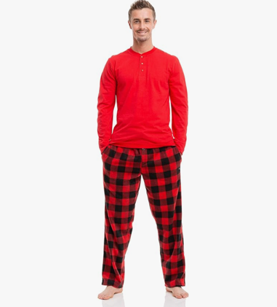 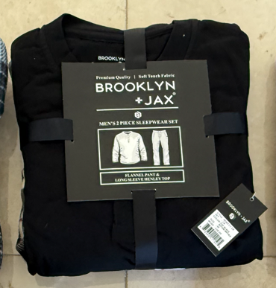 | BRJX-MMFST11-11L | Men's 2 Piece Microfleece Sleepwear Pajama Set|SET-11|L | Large | 2-Piece Set - Counted as ONE SET | 17 | 1 | $48.00 | 17 | $816.00
 | BRJX-MMFST11-11M | Men's 2 Piece Microfleece Sleepwear Pajama Set|SET-11|M | Medium | 2-Piece Set - Counted as ONE SET | 33 | 1 | $48.00 | 33 | $1,584.00
 | BRJX-MMFST11-11S | Men's 2 Piece Microfleece Sleepwear Pajama Set|SET-11|S | Small | 2-Piece Set - Counted as ONE SET | 5 | 1 | $48.00 | 5 | $240.00
 | BRJX-MMFST11-11XL | Men's 2 Piece Microfleece Sleepwear Pajama Set|SET-11|XL | Extra Large | 2-Piece Set - Counted as ONE SET | 16 | 1 | $48.00 | 16 | $768.00
 | BRJX-MMFST11-11XXL | Men's 2 Piece Microfleece Sleepwear Pajama Set|SET-11|XXL | 2XL | 2-Piece Set - Counted as ONE SET | 15 | 1 | $48.00 | 15 | $720.00
 | BRJX-MMFST12-123XL | Men's 2 Piece Microfleece Sleepwear Pajama Set|SET-12|3XL | 3XL | 2-Piece Set - Counted as ONE SET | 17 | 1 | $48.00 | 17 | $816.00
 | BRJX-MMFST12-12L | Men's 2 Piece Microfleece Sleepwear Pajama Set|SET-12|L | Large | 2-Piece Set - Counted as ONE SET | 24 | 1 | $48.00 | 24 | $1,152.00
 | BRJX-MMFST12-12M | Men's 2 Piece Microfleece Sleepwear Pajama Set|SET-12|M | Medium | 2-Piece Set - Counted as ONE SET | 28 | 1 | $48.00 | 28 | $1,344.00
 | BRJX-MMFST12-12S | Men's 2 Piece Microfleece Sleepwear Pajama Set|SET-12|S | Small | 2-Piece Set - Counted as ONE SET | 4 | 1 | $48.00 | 4 | $192.00
 | BRJX-MMFST12-12XL | Men's 2 Piece Microfleece Sleepwear Pajama Set|SET-12|XL | Extra Large | 2-Piece Set - Counted as ONE SET | 39 | 1 | $48.00 | 39 | $1,872.00
 | BRJX-MMFST13-133XL | Men's 2 Piece Microfleece Sleepwear Pajama Set|SET-13|3XL | 3XL | 2-Piece Set - Counted as ONE SET | 17 | 1 | $48.00 | 17 | $816.00
 | BRJX-MMFST13-13L | Men's 2 Piece Microfleece Sleepwear Pajama Set|SET-13|L | Large | 2-Piece Set - Counted as ONE SET | 22 | 1 | $48.00 | 22 | $1,056.00
 | BRJX-MMFST13-13M | Men's 2 Piece Microfleece Sleepwear Pajama Set|SET-13|M | Medium | 2-Piece Set - Counted as ONE SET | 24 | 1 | $48.00 | 24 | $1,152.00
 | BRJX-MMFST13-13S | Men's 2 Piece Microfleece Sleepwear Pajama Set|SET-13|S | Small | 2-Piece Set - Counted as ONE SET | 4 | 1 | $48.00 | 4 | $192.00
 | BRJX-MMFST13-13XL | Men's 2 Piece Microfleece Sleepwear Pajama Set|SET-13|XL | Extra Large | 2-Piece Set - Counted as ONE SET | 56 | 1 | $48.00 | 56 | $2,688.00
 | BRJX-MMFST13-13XXL | Men's 2 Piece Microfleece Sleepwear Pajama Set|SET-13|XXL | 2XL | 2-Piece Set - Counted as ONE SET | 3 | 1 | $48.00 | 3 | $144.00
 | BRJX-MMFST14-143XL | Men's 2 Piece Microfleece Sleepwear Pajama Set|SET-14|3XL | 3XL | 2-Piece Set - Counted as ONE SET | 22 | 1 | $48.00 | 22 | $1,056.00
 | BRJX-MMFST14-14L | Men's 2 Piece Microfleece Sleepwear Pajama Set|SET-14|L | Large | 2-Piece Set - Counted as ONE SET | 38 | 1 | $48.00 | 38 | $1,824.00
 | BRJX-MMFST14-14M | Men's 2 Piece Microfleece Sleepwear Pajama Set|SET-14|M | Medium | 2-Piece Set - Counted as ONE SET | 44 | 1 | $48.00 | 44 | $2,112.00
 | BRJX-MMFST14-14S | Men's 2 Piece Microfleece Sleepwear Pajama Set|SET-14|S | Small | 2-Piece Set - Counted as ONE SET | 17 | 1 | $48.00 | 17 | $816.00
 | BRJX-MMFST14-14XL | Men's 2 Piece Microfleece Sleepwear Pajama Set|SET-14|XL | Extra Large | 2-Piece Set - Counted as ONE SET | 57 | 1 | $48.00 | 57 | $2,736.00
 | BRJX-MMFST14-14XXL | Men's 2 Piece Microfleece Sleepwear Pajama Set|SET-14|XXL | 2XL | 2-Piece Set - Counted as ONE SET | 7 | 1 | $48.00 | 7 | $336.00
 | BRJX-MMFST15-153XL | Men's 2 Piece Microfleece Sleepwear Pajama Set|SET-15|3XL | 3XL | 2-Piece Set - Counted as ONE SET | 12 | 1 | $48.00 | 12 | $576.00
 | BRJX-MMFST15-15L | Men's 2 Piece Microfleece Sleepwear Pajama Set|SET-15|L | Large | 2-Piece Set - Counted as ONE SET | 7 | 1 | $48.00 | 7 | $336.00
 | BRJX-MMFST15-15M | Men's 2 Piece Microfleece Sleepwear Pajama Set|SET-15|M | Medium | 2-Piece Set - Counted as ONE SET | 12 | 1 | $48.00 | 12 | $576.00
 | BRJX-MMFST15-15S | Men's 2 Piece Microfleece Sleepwear Pajama Set|SET-15|S | Small | 2-Piece Set - Counted as ONE SET | 12 | 1 | $48.00 | 12 | $576.00
 | BRJX-MMFST15-15XL | Men's 2 Piece Microfleece Sleepwear Pajama Set|SET-15|XL | Extra Large | 2-Piece Set - Counted as ONE SET | 20 | 1 | $48.00 | 20 | $960.00
 | BRJX-MMFST15-15XXL | Men's 2 Piece Microfleece Sleepwear Pajama Set|SET-15|XXL | 2XL | 2-Piece Set - Counted as ONE SET | 16 | 1 | $48.00 | 16 | $768.00
 | BRJX-MMFST16-163XL | Men's 2 Piece Microfleece Sleepwear Pajama Set|SET-16|3XL | 3XL | 2-Piece Set - Counted as ONE SET | 25 | 1 | $48.00 | 25 | $1,200.00
 | BRJX-MMFST16-16L | Men's 2 Piece Microfleece Sleepwear Pajama Set|SET-16|L | Large | 2-Piece Set - Counted as ONE SET | 138 | 1 | $48.00 | 138 | $6,624.00
 | BRJX-MMFST16-16M | Men's 2 Piece Microfleece Sleepwear Pajama Set|SET-16|M | Medium | 2-Piece Set - Counted as ONE SET | 143 | 1 | $48.00 | 143 | $6,864.00
 | BRJX-MMFST16-16S | Men's 2 Piece Microfleece Sleepwear Pajama Set|SET-16|S | Small | 2-Piece Set - Counted as ONE SET | 27 | 1 | $48.00 | 27 | $1,296.00
 | BRJX-MMFST16-16XL | Men's 2 Piece Microfleece Sleepwear Pajama Set|SET-16|XL | Extra Large | 2-Piece Set - Counted as ONE SET | 26 | 1 | $48.00 | 26 | $1,248.00
 | BRJX-MMFST16-16XXL | Men's 2 Piece Microfleece Sleepwear Pajama Set|SET-16|XXL | 2XL | 2-Piece Set - Counted as ONE SET | 40 | 1 | $48.00 | 40 | $1,920.00
 | BRJX-MMFST18-183XL | Men's 2 Piece Microfleece Sleepwear Pajama Set|SET-18|3XL | 3XL | 2-Piece Set - Counted as ONE SET | 10 | 1 | $48.00 | 10 | $480.00
 | BRJX-MMFST18-18L | Men's 2 Piece Microfleece Sleepwear Pajama Set|SET-18|L | Large | 2-Piece Set - Counted as ONE SET | 147 | 1 | $48.00 | 147 | $7,056.00
 | BRJX-MMFST18-18M | Men's 2 Piece Microfleece Sleepwear Pajama Set|SET-18|M | Medium | 2-Piece Set - Counted as ONE SET | 147 | 1 | $48.00 | 147 | $7,056.00
 | BRJX-MMFST18-18S | Men's 2 Piece Microfleece Sleepwear Pajama Set|SET-18|S | Small | 2-Piece Set - Counted as ONE SET | 29 | 1 | $48.00 | 29 | $1,392.00
 | BRJX-MMFST18-18XL | Men's 2 Piece Microfleece Sleepwear Pajama Set|SET-18|XL | Extra Large | 2-Piece Set - Counted as ONE SET | 139 | 1 | $48.00 | 139 | $6,672.00
 | BRJX-MMFST18-18XXL | Men's 2 Piece Microfleece Sleepwear Pajama Set|SET-18|XXL | 2XL | 2-Piece Set - Counted as ONE SET | 121 | 1 | $48.00 | 121 | $5,808.00
 | BRJX-MMFST20-20L | Men's 2 Piece Microfleece Sleepwear Pajama Set|SET-20|L | Large | 2-Piece Set - Counted as ONE SET | 24 | 1 | $48.00 | 24 | $1,152.00
 | BRJX-MMFST20-20M | Men's 2 Piece Microfleece Sleepwear Pajama Set|SET-20|M | Medium | 2-Piece Set - Counted as ONE SET | 47 | 1 | $48.00 | 47 | $2,256.00
 | BRJX-MMFST20-20S | Men's 2 Piece Microfleece Sleepwear Pajama Set|SET-20|S | Small | 2-Piece Set - Counted as ONE SET | 7 | 1 | $48.00 | 7 | $336.00
 | BRJX-MMFST20-20XL | Men's 2 Piece Microfleece Sleepwear Pajama Set|SET-20|XL | Extra Large | 2-Piece Set - Counted as ONE SET | 43 | 1 | $48.00 | 43 | $2,064.00
 | BRJX-MMFST20-20XXL | Men's 2 Piece Microfleece Sleepwear Pajama Set|SET-20|XXL | 2XL | 2-Piece Set - Counted as ONE SET | 8 | 1 | $48.00 | 8 | $384.00
 | BRJX-MMFST21-213XL | Men's 2 Piece Microfleece Sleepwear Pajama Set|SET-21|3XL | 3XL | 2-Piece Set - Counted as ONE SET | 20 | 1 | $48.00 | 20 | $960.00
 | BRJX-MMFST21-21L | Men's 2 Piece Microfleece Sleepwear Pajama Set|SET-21|L | Large | 2-Piece Set - Counted as ONE SET | 39 | 1 | $48.00 | 39 | $1,872.00
 | BRJX-MMFST21-21M | Men's 2 Piece Microfleece Sleepwear Pajama Set|SET-21|M | Medium | 2-Piece Set - Counted as ONE SET | 55 | 1 | $48.00 | 55 | $2,640.00
 | BRJX-MMFST21-21S | Men's 2 Piece Microfleece Sleepwear Pajama Set|SET-21|S | Small | 2-Piece Set - Counted as ONE SET | 27 | 1 | $48.00 | 27 | $1,296.00
 | BRJX-MMFST21-21XL | Men's 2 Piece Microfleece Sleepwear Pajama Set|SET-21|XL | Extra Large | 2-Piece Set - Counted as ONE SET | 37 | 1 | $48.00 | 37 | $1,776.00
 | BRJX-MMFST21-21XXL | Men's 2 Piece Microfleece Sleepwear Pajama Set|SET-21|XXL | 2XL | 2-Piece Set - Counted as ONE SET | 7 | 1 | $48.00 | 7 | $336.00
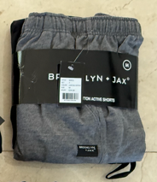 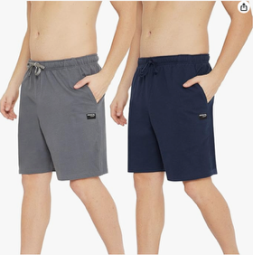 | BRJX-MACS-S1L | Men's Cotton Active Shorts|SET-1|L | Large | 2-Pack (Banded with $24.00 tag on each item) COUNTED AS TWO | 94 | 2 | $24.00 | 188 | $4,512.00
 | BRJX-MACS-S1M | Men's Cotton Active Shorts|SET-1|M | Medium | 2-Pack (Banded with $24.00 tag on each item) COUNTED AS TWO | 78 | 2 | $24.00 | 156 | $3,744.00
 | BRJX-MACS-S1S | Men's Cotton Active Shorts|SET-1|S | Small | 2-Pack (Banded with $24.00 tag on each item) COUNTED AS TWO | 26 | 2 | $24.00 | 52 | $1,248.00
 | BRJX-MACS-S1XL | Men's Cotton Active Shorts|SET-1|XL | Extra Large | 2-Pack (Banded with $24.00 tag on each item) COUNTED AS TWO | 52 | 2 | $24.00 | 104 | $2,496.00
 | BRJX-MACS-S1XXL | Men's Cotton Active Shorts|SET-1|XXL | 2XL | 2-Pack (Banded with $24.00 tag on each item) COUNTED AS TWO | 19 | 2 | $24.00 | 38 | $912.00
 | BRJX-MACS-S2L | Men's Cotton Active Shorts|SET-2|L | Large | 2-Pack (Banded with $24.00 tag on each item) COUNTED AS TWO | 35 | 2 | $24.00 | 70 | $1,680.00
 | BRJX-MACS-S2M | Men's Cotton Active Shorts|SET-2|M | Medium | 2-Pack (Banded with $24.00 tag on each item) COUNTED AS TWO | 58 | 2 | $24.00 | 116 | $2,784.00
 | BRJX-MACS-S2S | Men's Cotton Active Shorts|SET-2|S | Small | 2-Pack (Banded with $24.00 tag on each item) COUNTED AS TWO | 7 | 2 | $24.00 | 14 | $336.00
 | BRJX-MACS-S2XL | Men's Cotton Active Shorts|SET-2|XL | Extra Large | 2-Pack (Banded with $24.00 tag on each item) COUNTED AS TWO | 30 | 2 | $24.00 | 60 | $1,440.00
 | BRJX-MACS-S3L | Men's Cotton Active Shorts|SET-3|L | Large | 2-Pack (Banded with $24.00 tag on each item) COUNTED AS TWO | 111 | 2 | $24.00 | 222 | $5,328.00
 | BRJX-MACS-S3M | Men's Cotton Active Shorts|SET-3|M | Medium | 2-Pack (Banded with $24.00 tag on each item) COUNTED AS TWO | 108 | 2 | $24.00 | 216 | $5,184.00
 | BRJX-MACS-S3S | Men's Cotton Active Shorts|SET-3|S | Small | 2-Pack (Banded with $24.00 tag on each item) COUNTED AS TWO | 26 | 2 | $24.00 | 52 | $1,248.00
 | BRJX-MACS-S3XL | Men's Cotton Active Shorts|SET-3|XL | Extra Large | 2-Pack (Banded with $24.00 tag on each item) COUNTED AS TWO | 66 | 2 | $24.00 | 132 | $3,168.00
 | BRJX-MACS-S3XXL | Men's Cotton Active Shorts|SET-3|XXL | 2XL | 2-Pack (Banded with $24.00 tag on each item) COUNTED AS TWO | 18 | 2 | $24.00 | 36 | $864.00
 | BRJX-MACS-S4L | Men's Cotton Active Shorts|SET-4|L | Large | 2-Pack (Banded with $24.00 tag on each item) COUNTED AS TWO | 36 | 2 | $24.00 | 72 | $1,728.00
 | BRJX-MACS-S4M | Men's Cotton Active Shorts|SET-4|M | Medium | 2-Pack (Banded with $24.00 tag on each item) COUNTED AS TWO | 52 | 2 | $24.00 | 104 | $2,496.00
 | BRJX-MACS-S4XL | Men's Cotton Active Shorts|SET-4|XL | Extra Large | 2-Pack (Banded with $24.00 tag on each item) COUNTED AS TWO | 40 | 2 | $24.00 | 80 | $1,920.00
 | BRJX-MACS-S4XXL | Men's Cotton Active Shorts|SET-4|XXL | 2XL | 2-Pack (Banded with $24.00 tag on each item) COUNTED AS TWO | 9 | 2 | $24.00 | 18 | $432.00
 | BRJX-MACS-S5L | Men's Cotton Active Shorts|SET-5|L | Large | 2-Pack (Banded with $24.00 tag on each item) COUNTED AS TWO | 45 | 2 | $24.00 | 90 | $2,160.00
 | BRJX-MACS-S5M | Men's Cotton Active Shorts|SET-5|M | Medium | 2-Pack (Banded with $24.00 tag on each item) COUNTED AS TWO | 48 | 2 | $24.00 | 96 | $2,304.00
 | BRJX-MACS-S5S | Men's Cotton Active Shorts|SET-5|S | Small | 2-Pack (Banded with $24.00 tag on each item) COUNTED AS TWO | 1 | 2 | $24.00 | 2 | $48.00
 | BRJX-MACS-S5XL | Men's Cotton Active Shorts|SET-5|XL | Extra Large | 2-Pack (Banded with $24.00 tag on each item) COUNTED AS TWO | 12 | 2 | $24.00 | 24 | $576.00
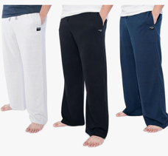 | BKJXMLP8042XL | Men's Cotton Blend Sleep Pajama Pants|SET-4(3-Pack)|2X-Large | 2XL | 3-Pack Banded - COUNTED AS 3 | 135 | 3 | $44.99 | 405 | $18,220.95
 | BKJXMLP8043XL | Men's Cotton Blend Sleep Pajama Pants|SET-4(3-Pack)|3X-Large | 3XL | 3-Pack Banded - COUNTED AS 3 | 58 | 3 | $44.99 | 174 | $7,828.26
 | BKJXMLP804L | Men's Cotton Blend Sleep Pajama Pants|SET-4(3-Pack)|Large | Large | 3-Pack Banded - COUNTED AS 3 | 407 | 3 | $44.99 | 1221 | $54,932.79
 | BKJXMLP804M | Men's Cotton Blend Sleep Pajama Pants|SET-4(3-Pack)|Medium | Medium | 3-Pack Banded - COUNTED AS 3 | 362 | 3 | $44.99 | 1086 | $48,859.14
 | BKJXMLP804S | Men's Cotton Blend Sleep Pajama Pants|SET-4(3-Pack)|Small | Small | 3-Pack Banded - COUNTED AS 3 | 138 | 3 | $44.99 | 414 | $18,625.86
 | BKJXMLP804XL | Men's Cotton Blend Sleep Pajama Pants|SET-4(3-Pack)|X-Large | Extra Large | 3-Pack Banded - COUNTED AS 3 | 298 | 3 | $44.99 | 894 | $40,221.06
 | BKJXMLP806XL | Men's Cotton Blend Sleep Pajama Pants|SET-6(2-Pack)|X-Large | Extra Large | 2-Pack Banded - COUNTED AS 2 | 20 | 2 | $34.99 | 40 | $1,399.60
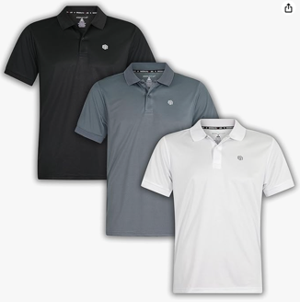 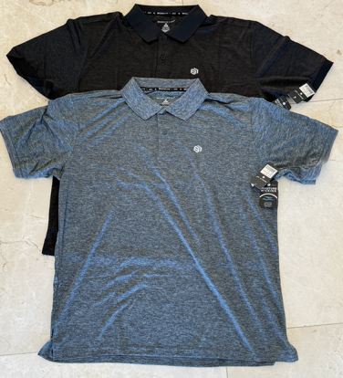 | BRJXMP01-22SL | Men's Dry-fit Collared Short Sleeve Polo T-Shirt |SET-22|L | Large | Packed 3 Pieces in a POLY - COUNTED AS 3 | 11 | 3 | $32.00 | 33 | $1,056.00
 | BRJXMP01-22SM | Men's Dry-fit Collared Short Sleeve Polo T-Shirt |SET-22|M | Medium | Packed 3 Pieces in a POLY - COUNTED AS 3 | 22 | 3 | $32.00 | 66 | $2,112.00
 | BRJXMP01-22SXL | Men's Dry-fit Collared Short Sleeve Polo T-Shirt |SET-22|XL | Extra Large | Packed 3 Pieces in a POLY - COUNTED AS 3 | 8 | 3 | $32.00 | 24 | $768.00
 | BRJXMP01-24SL | Men's Dry-fit Collared Short Sleeve Polo T-Shirt |SET-24|L | Large | Packed 3 Pieces in a POLY - COUNTED AS 3 | 15 | 3 | $32.00 | 45 | $1,440.00
 | BRJXMP01-24SM | Men's Dry-fit Collared Short Sleeve Polo T-Shirt |SET-24|M | Medium | Packed 3 Pieces in a POLY - COUNTED AS 3 | 15 | 3 | $32.00 | 45 | $1,440.00
 | BRJXMP01-24SXL | Men's Dry-fit Collared Short Sleeve Polo T-Shirt |SET-24|XL | Extra Large | Packed 3 Pieces in a POLY - COUNTED AS 3 | 15 | 3 | $32.00 | 45 | $1,440.00
 | BRJXMP01-25SL | Men's Dry-fit Collared Short Sleeve Polo T-Shirt |SET-25|L | Large | Packed 3 Pieces in a POLY - COUNTED AS 3 | 23 | 3 | $32.00 | 69 | $2,208.00
 | BRJXMP01-25SM | Men's Dry-fit Collared Short Sleeve Polo T-Shirt |SET-25|M | Medium | Packed 3 Pieces in a POLY - COUNTED AS 3 | 19 | 3 | $32.00 | 57 | $1,824.00
 | BRJXMP01-25SXL | Men's Dry-fit Collared Short Sleeve Polo T-Shirt |SET-25|XL | Extra Large | Packed 3 Pieces in a POLY - COUNTED AS 3 | 20 | 3 | $32.00 | 60 | $1,920.00
 | BRJXMP01-27SL | Men's Dry-fit Collared Short Sleeve Polo T-Shirt |SET-27|L | Large | Packed 3 Pieces in a POLY - COUNTED AS 3 | 26 | 3 | $32.00 | 78 | $2,496.00
 | BRJXMP01-27SM | Men's Dry-fit Collared Short Sleeve Polo T-Shirt |SET-27|M | Medium | Packed 3 Pieces in a POLY - COUNTED AS 3 | 36 | 3 | $32.00 | 108 | $3,456.00
 | BRJXMP01-27SXL | Men's Dry-fit Collared Short Sleeve Polo T-Shirt |SET-27|XL | Extra Large | Packed 3 Pieces in a POLY - COUNTED AS 3 | 11 | 3 | $32.00 | 33 | $1,056.00
...
Image | Item Code | Description | Size | Notes | Units
 | BRJXMP01-32M | Men's Dry-fit Collared Short Sleeve Polo T-Shirt|SET-32|M | Medium | Packed 3 Pieces in a POLY - COUNTED AS 3 | 11
 | BRJXMP01-32S | Men's Dry-fit Collared Short Sleeve Polo T-Shirt|SET-32|S | Small | Packed 3 Pieces in a POLY - COUNTED AS 3 | 8
 | BRJXMP01-32XL | Men's Dry-fit Collared Short Sleeve Polo T-Shirt|SET-32|XL | Extra Large | Packed 3 Pieces in a POLY - COUNTED AS 3 | 36
 | BRJXMP01-32XXL | Men's Dry-fit Collared Short Sleeve Polo T-Shirt|SET-32|XXL | 2XL | Packed 3 Pieces in a POLY - COUNTED AS 3 | 3
 | BRJXMP01-33L | Men's Dry-fit Collared Short Sleeve Polo T-Shirt|SET-33|L | Large | Packed 3 Pieces in a POLY - COUNTED AS 3 | 23
 | BRJXMP01-33M | Men's Dry-fit Collared Short Sleeve Polo T-Shirt|SET-33|M | Medium | Packed 3 Pieces in a POLY - COUNTED AS 3 | 37
 | BRJXMP01-33XL | Men's Dry-fit Collared Short Sleeve Polo T-Shirt|SET-33|XL | Extra Large | Packed 3 Pieces in a POLY - COUNTED AS 3 | 31
 | BRJXMP01-34L | Men's Dry-fit Collared Short Sleeve Polo T-Shirt|SET-34|L | Large | Packed 3 Pieces in a POLY - COUNTED AS 3 | 13
 | BRJXMP01-34M | Men's Dry-fit Collared Short Sleeve Polo T-Shirt|SET-34|M | Medium | Packed 3 Pieces in a POLY - COUNTED AS 3 | 32
 | BRJXMP01-34XL | Men's Dry-fit Collared Short Sleeve Polo T-Shirt|SET-34|XL | Extra Large | Packed 3 Pieces in a POLY - COUNTED AS 3 | 15
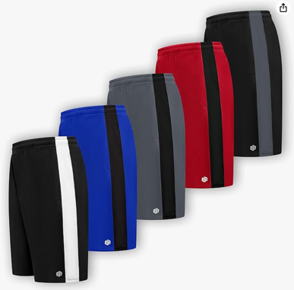 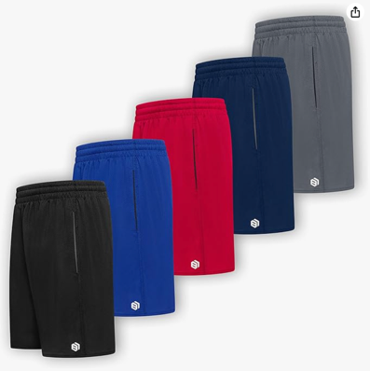 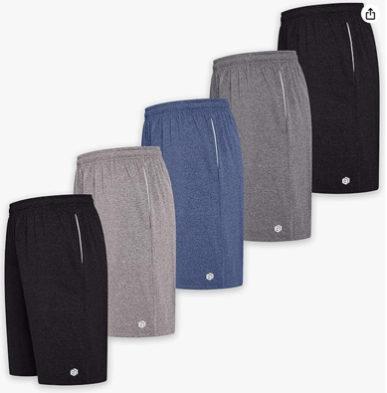 | BRJX10214-125BT3XL | Men's Premium Moisture Wicking Active Athletic Performance Shorts (B&T)|SET-102|3XL | 3XL | Packed 5 Pieces in a POLY - COUNTED AS 5 | 9
 | BRJX10214-125BT4XL | Men's Premium Moisture Wicking Active Athletic Performance Shorts (B&T)|SET-102|4XL | 4XL | Packed 5 Pieces in a POLY - COUNTED AS 5 | 28
 | BRJX10214-125BT5XL | Men's Premium Moisture Wicking Active Athletic Performance Shorts (B&T)|SET-102|5XL | 5XL | Packed 5 Pieces in a POLY - COUNTED AS 5 | 8
 | BRJX10414-107BT 3XL | Men's Premium Moisture Wicking Active Athletic Performance Shorts (B&T)|SET-104|3XL | 3XL | Packed 5 Pieces in a POLY - COUNTED AS 5 | 88
 | BRJX10414-107BT 4XL | Men's Premium Moisture Wicking Active Athletic Performance Shorts (B&T)|SET-104|4XL | 4XL | Packed 5 Pieces in a POLY - COUNTED AS 5 | 36
 | BRJX10514-101BT4XL | Men's Premium Moisture Wicking Active Athletic Performance Shorts (B&T)|SET-105|4XL | 4XL | Packed 5 Pieces in a POLY - COUNTED AS 5 | 12
 | BRJX10614-101BT3XL | Men's Premium Moisture Wicking Active Athletic Performance Shorts (B&T)|SET-106|3XL | 3XL | Packed 5 Pieces in a POLY - COUNTED AS 5 | 26
 | BKJX12406HCX2XL | Men's Premium Moisture Wicking Active Athletic Performance Shorts|Set-1|2XL | 2XL | Packed 5 Pieces in a POLY - COUNTED AS 5 | 31
 | BKJX12406HCL | Men's Premium Moisture Wicking Active Athletic Performance Shorts|Set-1|L | Large | Packed 5 Pieces in a POLY - COUNTED AS 5 | 103
 | BKJX12406HCM | Men's Premium Moisture Wicking Active Athletic Performance Shorts|Set-1|M | Medium | Packed 5 Pieces in a POLY - COUNTED AS 5 | 178
 | BKJX12406HCXL | Men's Premium Moisture Wicking Active Athletic Performance Shorts|Set-1|XL | Extra Large | Packed 5 Pieces in a POLY - COUNTED AS 5 | 146
...
Image | Item Code | Description | Size | Notes | Units
 | BRJX12503MAL | Men's Premium Moisture Wicking Active Athletic Performance Shorts|SET-7|L | Large | Packed 5 Pieces in a POLY - COUNTED AS 5 | 46
 | BRJX12503MAM | Men's Premium Moisture Wicking Active Athletic Performance Shorts|SET-7|M | Medium | Packed 5 Pieces in a POLY - COUNTED AS 5 | 122
 | BRJX12503MAXL | Men's Premium Moisture Wicking Active Athletic Performance Shorts|SET-7|XL | Extra Large | Packed 5 Pieces in a POLY - COUNTED AS 5 | 43
 | BRJX12720MA2XL | Men's Premium Moisture Wicking Active Athletic Performance Shorts|SET-8|2XL | 2XL | Packed 5 Pieces in a POLY - COUNTED AS 5 | 44
 | BRJX12720MAL | Men's Premium Moisture Wicking Active Athletic Performance Shorts|SET-8|L | Large | Packed 5 Pieces in a POLY - COUNTED AS 5 | 175
 | BRJX12720MAM | Men's Premium Moisture Wicking Active Athletic Performance Shorts|SET-8|M | Medium | Packed 5 Pieces in a POLY - COUNTED AS 5 | 229
 | BRJX12720MAXL | Men's Premium Moisture Wicking Active Athletic Performance Shorts|SET-8|XL | Extra Large | Packed 5 Pieces in a POLY - COUNTED AS 5 | 226
 | BRJX9F1802-L | Men's Premium Moisture Wicking Active Athletic Performance Shorts|SET-9|L | Large | Packed 5 Pieces in a POLY - COUNTED AS 5 | 7
 | BRJX9F1802-M | Men's Premium Moisture Wicking Active Athletic Performance Shorts|SET-9|M | Medium | Packed 5 Pieces in a POLY - COUNTED AS 5 | 118
 | BRJX9F1802-XL | Men's Premium Moisture Wicking Active Athletic Performance Shorts|SET-9|XL | Extra Large | Packed 5 Pieces in a POLY - COUNTED AS 5 | 80
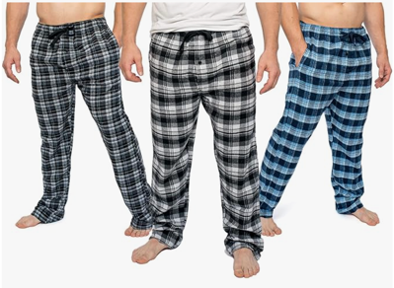 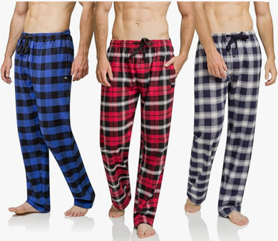 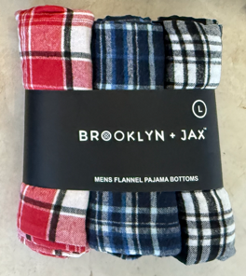 | BRJX112-MFL | Mens 3 Pack Mens Ultra Soft Bottoms, Flannel Pajama Pants|SET-112|Large (Banded 3-Pack) | Large | 3-Pack Banded - COUNTED AS 3 | 69
 | BRJX112-MFM | Mens 3 Pack Mens Ultra Soft Bottoms, Flannel Pajama Pants|SET-112|Medium (Banded 3-Pack) | Medium | 3-Pack Banded - COUNTED AS 3 | 55
 | BRJX112-MFS | Mens 3 Pack Mens Ultra Soft Bottoms, Flannel Pajama Pants|SET-112|Small (Banded 3-Pack) | Small | 3-Pack Banded - COUNTED AS 3 | 24
 | BRJX112-MFXL | Mens 3 Pack Mens Ultra Soft Bottoms, Flannel Pajama Pants|SET-112|X-Large (Banded 3-Pack) | Extra Large | 3-Pack Banded - COUNTED AS 3 | 53
 | BRJX113-MF2XL | Mens 3 Pack Mens Ultra Soft Bottoms, Flannel Pajama Pants|SET-113|2X-Large (Banded 3-Pack) | 2XL | 3-Pack Banded - COUNTED AS 3 | 39
 | BRJX113-MF3XL | Mens 3 Pack Mens Ultra Soft Bottoms, Flannel Pajama Pants|SET-113|3X-Large (Banded 3-Pack) | 3XL | 3-Pack Banded - COUNTED AS 3 | 13
 | BRJX113-MFL | Mens 3 Pack Mens Ultra Soft Bottoms, Flannel Pajama Pants|SET-113|Large (Banded 3-Pack) | Large | 3-Pack Banded - COUNTED AS 3 | 84
 | BRJX113-MFM | Mens 3 Pack Mens Ultra Soft Bottoms, Flannel Pajama Pants|SET-113|Medium | Medium | 3-Pack Banded - COUNTED AS 3 | 49
 | BRJX113-MFS | Mens 3 Pack Mens Ultra Soft Bottoms, Flannel Pajama Pants|SET-113|Small | Small | 3-Pack Banded - COUNTED AS 3 | 48
 | BRJX113-MFXL | Mens 3 Pack Mens Ultra Soft Bottoms, Flannel Pajama Pants|SET-113|X-Large | Extra Large | 3-Pack Banded - COUNTED AS 3 | 37
 | BRJX114-MF2XL | Mens 3 Pack Mens Ultra Soft Bottoms, Flannel Pajama Pants|SET-114|2X-Large | 2XL | 3-Pack Banded - COUNTED AS 3 | 24
...
Image | Item Code | Description | Size | Notes | Units
 | BRJX118-MFL | Mens 3 Pack Mens Ultra Soft Bottoms, Flannel Pajama Pants|SET-118|Large | Large | 3-Pack Banded - COUNTED AS 3 | 69
 | BRJX118-MFM | Mens 3 Pack Mens Ultra Soft Bottoms, Flannel Pajama Pants|SET-118|Medium | Medium | 3-Pack Banded - COUNTED AS 3 | 31
 | BRJX118-MFS | Mens 3 Pack Mens Ultra Soft Bottoms, Flannel Pajama Pants|SET-118|Small | Small | 3-Pack Banded - COUNTED AS 3 | 37
 | BRJX118-MFXL | Mens 3 Pack Mens Ultra Soft Bottoms, Flannel Pajama Pants|SET-118|X-Large | Extra Large | 3-Pack Banded - COUNTED AS 3 | 53
 | BRJX119-MF2XL | Mens 3 Pack Mens Ultra Soft Bottoms, Flannel Pajama Pants|SET-119|2X-Large | 2XL | 3-Pack Banded - COUNTED AS 3 | 60
 | BRJX119-MF3XL | Mens 3 Pack Mens Ultra Soft Bottoms, Flannel Pajama Pants|SET-119|3X-Large | 3XL | 3-Pack Banded - COUNTED AS 3 | 13
 | BRJX119-MFL | Mens 3 Pack Mens Ultra Soft Bottoms, Flannel Pajama Pants|SET-119|Large | Large | 3-Pack Banded - COUNTED AS 3 | 67
 | BRJX119-MFM | Mens 3 Pack Mens Ultra Soft Bottoms, Flannel Pajama Pants|SET-119|Medium | Medium | 3-Pack Banded - COUNTED AS 3 | 29
 | BRJX119-MFS | Mens 3 Pack Mens Ultra Soft Bottoms, Flannel Pajama Pants|SET-119|Small | Small | 3-Pack Banded - COUNTED AS 3 | 20
 | BRJX119-MFXL | Mens 3 Pack Mens Ultra Soft Bottoms, Flannel Pajama Pants|SET-119|X-Large | Extra Large | 3-Pack Banded - COUNTED AS 3 | 36
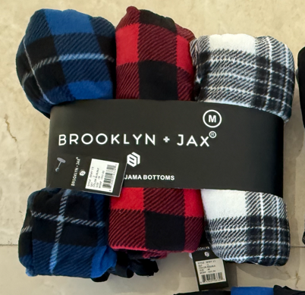 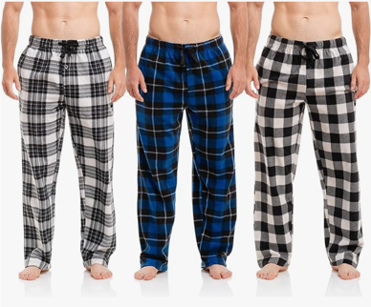 | BRJX-MMF-1-3XL | Mens Multipack Microfleece Ultra-Soft Pajama Lounge PJ Pants|SET-1|3XL | 3XL | 3-Pack Band (Each Tagged $65 MSRP) - COUNTED AS 3 | 60
 | BRJX-MMF-1-L | Mens Multipack Microfleece Ultra-Soft Pajama Lounge PJ Pants|SET-1|L | Large | 3-Pack Band (Each Tagged $65 MSRP) - COUNTED AS 3 | 192
 | BRJX-MMF-1-M | Mens Multipack Microfleece Ultra-Soft Pajama Lounge PJ Pants|SET-1|M | Medium | 3-Pack Band (Each Tagged $65 MSRP) - COUNTED AS 3 | 202
 | BRJX-MMF-1-S | Mens Multipack Microfleece Ultra-Soft Pajama Lounge PJ Pants|SET-1|S | Small | 3-Pack Band (Each Tagged $65 MSRP) - COUNTED AS 3 | 44
 | BRJX-MMF-1-XL | Mens Multipack Microfleece Ultra-Soft Pajama Lounge PJ Pants|SET-1|XL | Extra Large | 3-Pack Band (Each Tagged $65 MSRP) - COUNTED AS 3 | 219
 | BRJX-MMF-1-XXL | Mens Multipack Microfleece Ultra-Soft Pajama Lounge PJ Pants|SET-1|XXL | 2XL | 3-Pack Band (Each Tagged $65 MSRP) - COUNTED AS 3 | 110
 | BRJX-MMF-CHNV10-L | Mens Multipack Microfleece Ultra-Soft Pajama Lounge PJ Pants|SET-10|L | Large | 3-Pack Band (Each Tagged $65 MSRP) - COUNTED AS 3 | 6
 | BRJX-MMF-CHNV10-M | Mens Multipack Microfleece Ultra-Soft Pajama Lounge PJ Pants|SET-10|M | Medium | 3-Pack Band (Each Tagged $65 MSRP) - COUNTED AS 3 | 6
 | BRJX-MMF-CHNV10-S | Mens Multipack Microfleece Ultra-Soft Pajama Lounge PJ Pants|SET-10|S | Small | 3-Pack Band (Each Tagged $65 MSRP) - COUNTED AS 3 | 6
 | BRJX-MMF-CHNV10-XL | Mens Multipack Microfleece Ultra-Soft Pajama Lounge PJ Pants|SET-10|XL | Extra Large | 3-Pack Band (Each Tagged $65 MSRP) - COUNTED AS 3 | 18
 | BRJX-MMF-CHGR11-3XL | Mens Multipack Microfleece Ultra-Soft Pajama Lounge PJ Pants|SET-11|3XL | 3XL | 3-Pack Band (Each Tagged $65 MSRP) - COUNTED AS 3 | 15
...
Image | Item Code | Description | Size | Notes | Units
 | BRJX-MMF-6-M | Mens Multipack Microfleece Ultra-Soft Pajama Lounge PJ Pants|SET-6|M | Medium | 3-Pack Band (Each Tagged $65 MSRP) - COUNTED AS 3 | 5
 | BRJX-MMF-6-XL | Mens Multipack Microfleece Ultra-Soft Pajama Lounge PJ Pants|SET-6|XL | Extra Large | 3-Pack Band (Each Tagged $65 MSRP) - COUNTED AS 3 | 3
 | BRJX-MMF-BLC7-L | Mens Multipack Microfleece Ultra-Soft Pajama Lounge PJ Pants|SET-7|L | Large | 3-Pack Band (Each Tagged $65 MSRP) - COUNTED AS 3 | 6
 | BRJX-MMF-BLC7-M | Mens Multipack Microfleece Ultra-Soft Pajama Lounge PJ Pants|SET-7|M | Medium | 3-Pack Band (Each Tagged $65 MSRP) - COUNTED AS 3 | 4
 | BRJX-MMF-BLNV8-L | Mens Multipack Microfleece Ultra-Soft Pajama Lounge PJ Pants|SET-8|L | Large | 3-Pack Band (Each Tagged $65 MSRP) - COUNTED AS 3 | 6
 | BRJX-MMF-BLNV8-M | Mens Multipack Microfleece Ultra-Soft Pajama Lounge PJ Pants|SET-8|M | Medium | 3-Pack Band (Each Tagged $65 MSRP) - COUNTED AS 3 | 6
 | BRJX-MMF-BLNV8-XL | Mens Multipack Microfleece Ultra-Soft Pajama Lounge PJ Pants|SET-8|XL | Extra Large | 3-Pack Band (Each Tagged $65 MSRP) - COUNTED AS 3 | 6
 | BRJX-MMF-BLGR9-L | Mens Multipack Microfleece Ultra-Soft Pajama Lounge PJ Pants|SET-9|L | Large | 3-Pack Band (Each Tagged $65 MSRP) - COUNTED AS 3 | 6
 | BRJX-MMF-BLGR9-M | Mens Multipack Microfleece Ultra-Soft Pajama Lounge PJ Pants|SET-9|M | Medium | 3-Pack Band (Each Tagged $65 MSRP) - COUNTED AS 3 | 6
 | BRJX-MMF-BLGR9-XL | Mens Multipack Microfleece Ultra-Soft Pajama Lounge PJ Pants|SET-9|XL | Extra Large | 3-Pack Band (Each Tagged $65 MSRP) - COUNTED AS 3 | 12
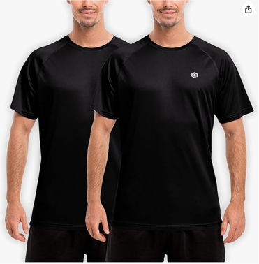 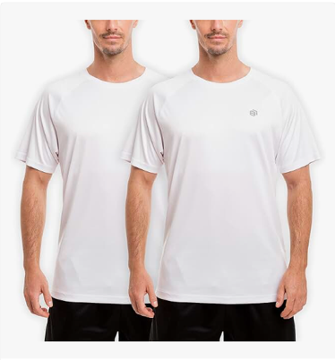 | BRJXBLK-2MRST23XL | MENS RUNNING RAGLAN SHORT SLEEVE ACTIVE TOP|NULL|3XL | 3XL | Packed 2 Pieces in a POLY - Counted as 2 | 21
 | BRJXCHR-2MRST23XL | MENS RUNNING RAGLAN SHORT SLEEVE ACTIVE TOP|NULL|3XL | 3XL | Packed 2 Pieces in a POLY - Counted as 2 | 20
 | BRJXGRN-2MRST23XL | MENS RUNNING RAGLAN SHORT SLEEVE ACTIVE TOP|NULL|3XL | 3XL | Packed 2 Pieces in a POLY - Counted as 2 | 18
 | BRJXLBLU-2MRST23XL | MENS RUNNING RAGLAN SHORT SLEEVE ACTIVE TOP|NULL|3XL | 3XL | Packed 2 Pieces in a POLY - Counted as 2 | 20
 | BRJXLGRY-2MRST23XL | MENS RUNNING RAGLAN SHORT SLEEVE ACTIVE TOP|NULL|3XL | 3XL | Packed 2 Pieces in a POLY - Counted as 2 | 20
 | BRJXMDBL-2MRST23XL | MENS RUNNING RAGLAN SHORT SLEEVE ACTIVE TOP|NULL|3XL | 3XL | Packed 2 Pieces in a POLY - Counted as 2 | 20
 | BRJXNVY-2MRST23XL | MENS RUNNING RAGLAN SHORT SLEEVE ACTIVE TOP|NULL|3XL | 3XL | Packed 2 Pieces in a POLY - Counted as 2 | 19
 | BRJXWHT-2MRST23XL | MENS RUNNING RAGLAN SHORT SLEEVE ACTIVE TOP|NULL|3XL | 3XL | Packed 2 Pieces in a POLY - Counted as 2 | 20
 | BRJXBLK-2MRST2L | MENS RUNNING RAGLAN SHORT SLEEVE ACTIVE TOP|NULL|L | Large | Packed 2 Pieces in a POLY - Counted as 2 | 92
 | BRJXCHR-2MRST2L | MENS RUNNING RAGLAN SHORT SLEEVE ACTIVE TOP|NULL|L | Large | Packed 2 Pieces in a POLY - Counted as 2 | 95
 | BRJXGRN-2MRST2L | MENS RUNNING RAGLAN SHORT SLEEVE ACTIVE TOP|NULL|L | Large | Packed 2 Pieces in a POLY - Counted as 2 | 91
...
Image | Item Code | Description | Size | Notes | Units
 | BRJXNVY-2MRST2XL | MENS RUNNING RAGLAN SHORT SLEEVE ACTIVE TOP|NULL|XL | Extra Large | Packed 2 Pieces in a POLY - Counted as 2 | 93
 | BRJXWHT-2MRST2XL | MENS RUNNING RAGLAN SHORT SLEEVE ACTIVE TOP|NULL|XL | Extra Large | Packed 2 Pieces in a POLY - Counted as 2 | 95
 | BRJXBLK-2MRST2XXL | MENS RUNNING RAGLAN SHORT SLEEVE ACTIVE TOP|NULL|XXL | 2XL | Packed 2 Pieces in a POLY - Counted as 2 | 43
 | BRJXCHR-2MRST2XXL | MENS RUNNING RAGLAN SHORT SLEEVE ACTIVE TOP|NULL|XXL | 2XL | Packed 2 Pieces in a POLY - Counted as 2 | 45
 | BRJXGRN-2MRST2XXL | MENS RUNNING RAGLAN SHORT SLEEVE ACTIVE TOP|NULL|XXL | 2XL | Packed 2 Pieces in a POLY - Counted as 2 | 41
 | BRJXLBLU-2MRST2XXL | MENS RUNNING RAGLAN SHORT SLEEVE ACTIVE TOP|NULL|XXL | 2XL | Packed 2 Pieces in a POLY - Counted as 2 | 45
 | BRJXLGRY-2MRST2XXL | MENS RUNNING RAGLAN SHORT SLEEVE ACTIVE TOP|NULL|XXL | 2XL | Packed 2 Pieces in a POLY - Counted as 2 | 45
 | BRJXMDBL-2MRST2XXL | MENS RUNNING RAGLAN SHORT SLEEVE ACTIVE TOP|NULL|XXL | 2XL | Packed 2 Pieces in a POLY - Counted as 2 | 45
 | BRJXNVY-2MRST2XXL | MENS RUNNING RAGLAN SHORT SLEEVE ACTIVE TOP|NULL|XXL | 2XL | Packed 2 Pieces in a POLY - Counted as 2 | 45
 | BRJXWHT-2MRST2XXL | MENS RUNNING RAGLAN SHORT SLEEVE ACTIVE TOP|NULL|XXL | 2XL | Packed 2 Pieces in a POLY - Counted as 2 | 45
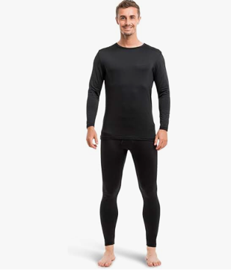 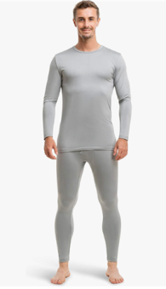 | BRJX1MTH 012XL | Mens Ultra-Soft Thermal Underwear 2 Piece with Fleece Lining|SET-1|2XL | 2XL | 2-Piece Set - Counted as ONE SET | 12
 | BRJX1MTH 013XL | Mens Ultra-Soft Thermal Underwear 2 Piece with Fleece Lining|SET-1|3XL | 3XL | 2-Piece Set - Counted as ONE SET | 11
 | BRJX1MTH 01L | Mens Ultra-Soft Thermal Underwear 2 Piece with Fleece Lining|SET-1|L | Large | 2-Piece Set - Counted as ONE SET | 70
 | BRJX1MTH 01M | Mens Ultra-Soft Thermal Underwear 2 Piece with Fleece Lining|SET-1|M | Medium | 2-Piece Set - Counted as ONE SET | 67
 | BRJX1MTH 01S | Mens Ultra-Soft Thermal Underwear 2 Piece with Fleece Lining|SET-1|S | Small | 2-Piece Set - Counted as ONE SET | 38
 | BRJX1MTH 01XL | Mens Ultra-Soft Thermal Underwear 2 Piece with Fleece Lining|SET-1|XL | Extra Large | 2-Piece Set - Counted as ONE SET | 52
 | BRJX1MTH 01XS | Mens Ultra-Soft Thermal Underwear 2 Piece with Fleece Lining|SET-1|XS | Extra Small | 2-Piece Set - Counted as ONE SET | 8
 | BRJX2MTH 012XL | Mens Ultra-Soft Thermal Underwear 2 Piece with Fleece Lining|SET-2|2XL | 2XL | 2-Piece Set - Counted as ONE SET | 10
 | BRJX2MTH 013XL | Mens Ultra-Soft Thermal Underwear 2 Piece with Fleece Lining|SET-2|3XL | 3XL | 2-Piece Set - Counted as ONE SET | 15
 | BRJX2MTH 01L | Mens Ultra-Soft Thermal Underwear 2 Piece with Fleece Lining|SET-2|L | Large | 2-Piece Set - Counted as ONE SET | 65
 | BRJX2MTH 01M | Mens Ultra-Soft Thermal Underwear 2 Piece with Fleece Lining|SET-2|M | Medium | 2-Piece Set - Counted as ONE SET | 69
...
Image | Item Code | Description | Size | Notes | Units
 | BRJX3MTH 01S | Mens Ultra-Soft Thermal Underwear 2 Piece with Fleece Lining|SET-3|S | Small | 2-Piece Set - Counted as ONE SET | 24
 | BRJX3MTH 01XL | Mens Ultra-Soft Thermal Underwear 2 Piece with Fleece Lining|SET-3|XL | Extra Large | 2-Piece Set - Counted as ONE SET | 71
 | BRJX3MTH 01XS | Mens Ultra-Soft Thermal Underwear 2 Piece with Fleece Lining|SET-3|XS | Extra Small | 2-Piece Set - Counted as ONE SET | 27
 | BRJX4MTH 012XL | Mens Ultra-Soft Thermal Underwear 2 Piece with Fleece Lining|SET-4|2XL | 2XL | 2-Piece Set - Counted as ONE SET | 32
 | BRJX4MTH 013XL | Mens Ultra-Soft Thermal Underwear 2 Piece with Fleece Lining|SET-4|3XL | 3XL | 2-Piece Set - Counted as ONE SET | 12
 | BRJX4MTH 01L | Mens Ultra-Soft Thermal Underwear 2 Piece with Fleece Lining|SET-4|L | Large | 2-Piece Set - Counted as ONE SET | 72
 | BRJX4MTH 01M | Mens Ultra-Soft Thermal Underwear 2 Piece with Fleece Lining|SET-4|M | Medium | 2-Piece Set - Counted as ONE SET | 83
 | BRJX4MTH 01S | Mens Ultra-Soft Thermal Underwear 2 Piece with Fleece Lining|SET-4|S | Small | 2-Piece Set - Counted as ONE SET | 12
 | BRJX4MTH 01XL | Mens Ultra-Soft Thermal Underwear 2 Piece with Fleece Lining|SET-4|XL | Extra Large | 2-Piece Set - Counted as ONE SET | 53
 | BRJX4MTH 01XS | Mens Ultra-Soft Thermal Underwear 2 Piece with Fleece Lining|SET-4|XS | Extra Small | 2-Piece Set - Counted as ONE SET | 27
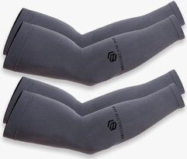 |  | Sun Screen Sleve|1|2 PK | OS | 2-Pack | 812
 | BRJXSSS10 | Sun Screen Sleve|10|4 PK | OS | 4-Pack | 696
 | BRJXSSS11 | Sun Screen Sleve|11|4 PK | OS | 4-Pack | 369
 | BRJXSSS2 | Sun Screen Sleve|2|2 PK | OS | 2-Pack | 488
 | BRJXSSS3 | Sun Screen Sleve|3|2 PK | OS | 2-Pack | 493
 | BRJXSSS4 | Sun Screen Sleve|4|2 PK | OS | 2-Pack | 589
 | BRJXSSS5 | Sun Screen Sleve|5|2 PK | OS | 2-Pack | 464
 | BRJXSSS6 | Sun Screen Sleve|6|2 PK | OS | 2-Pack | 529
 | BRJXSSS7 | Sun Screen Sleve|7|2 PK | OS | 2-Pack | 707
 | BRJXSSS8 | Sun Screen Sleve|8|3 PK | OS | 3-Pack | 332
 | BRJXSSS9 | Sun Screen Sleve|9|3 PK | OS | 3-Pack | 235
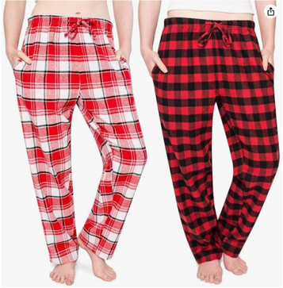 | BRJX-LFP-515L | Women Flannel Pajama Bottom|515|L | Large | Packed 2 Pieces in a POLY - Counted as 2 | 46
 | BRJX-LFP-515M | Women Flannel Pajama Bottom|515|M | Medium | Packed 2 Pieces in a POLY - Counted as 2 | 46
 | BRJX-LFP-515S | Women Flannel Pajama Bottom|515|S | Small | Packed 2 Pieces in a POLY - Counted as 2 | 24
 | BRJX-LFP-515XL | Women Flannel Pajama Bottom|515|XL | Extra Large | Packed 2 Pieces in a POLY - Counted as 2 | 22
 | BRJX-LFP-516L | Women Flannel Pajama Bottom|516|L | Large | Packed 2 Pieces in a POLY - Counted as 2 | 27
 | BRJX-LFP-516M | Women Flannel Pajama Bottom|516|M | Medium | Packed 2 Pieces in a POLY - Counted as 2 | 29
 | BRJX-LFP-516S | Women Flannel Pajama Bottom|516|S | Small | Packed 2 Pieces in a POLY - Counted as 2 | 4
 | BRJX-LFP-517L | Women Flannel Pajama Bottom|517|L | Large | Packed 2 Pieces in a POLY - Counted as 2 | 28
 | BRJX-LFP-517M | Women Flannel Pajama Bottom|517|M | Medium | Packed 2 Pieces in a POLY - Counted as 2 | 28
 | BRJX-LFP-517S | Women Flannel Pajama Bottom|517|S | Small | Packed 2 Pieces in a POLY - Counted as 2 | 4
 | BRJX-LFP-518L | Women Flannel Pajama Bottom|518|L | Large | Packed 2 Pieces in a POLY - Counted as 2 | 29
...
Image | Item Code | Description | Size | Notes | Units
 | BRJX-LFP-519M | Women Flannel Pajama Bottom|519|M | Medium | Packed 2 Pieces in a POLY - Counted as 2 | 68
 | BRJX-LFP-519S | Women Flannel Pajama Bottom|519|S | Small | Packed 2 Pieces in a POLY - Counted as 2 | 20
 | BRJX-LFP-519XL | Women Flannel Pajama Bottom|519|XL | Extra Large | Packed 2 Pieces in a POLY - Counted as 2 | 22
 | BRJX-LFP-520L | Women Flannel Pajama Bottom|520|L | Large | Packed 2 Pieces in a POLY - Counted as 2 | 40
 | BRJX-LFP-520M | Women Flannel Pajama Bottom|520|M | Medium | Packed 2 Pieces in a POLY - Counted as 2 | 40
 | BRJX-LFP-520S | Women Flannel Pajama Bottom|520|S | Small | Packed 2 Pieces in a POLY - Counted as 2 | 15
 | BRJX-LFP-522L | Women Flannel Pajama Bottom|522|L | Large | Packed 2 Pieces in a POLY - Counted as 2 | 31
 | BRJX-LFP-522M | Women Flannel Pajama Bottom|522|M | Medium | Packed 2 Pieces in a POLY - Counted as 2 | 30
 | BRJX-LFP-522S | Women Flannel Pajama Bottom|522|S | Small | Packed 2 Pieces in a POLY - Counted as 2 | 1
 | BRJX-LFP-522XL | Women Flannel Pajama Bottom|522|XL | Extra Large | Packed 2 Pieces in a POLY - Counted as 2 | 4
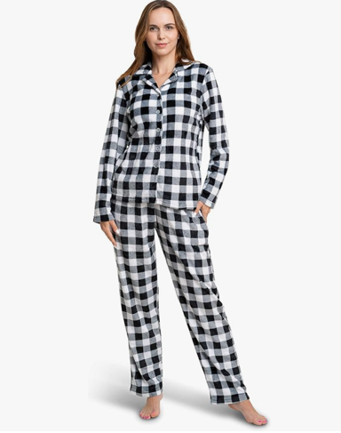 | BRJX10-WPJSL | WOMENS PAJ SETS( Top & bottom)|SET 10|Large | Large | 2-Piece Set - Counted as ONE SET | 15
 | BRJX10-WPJSM | WOMENS PAJ SETS( Top & bottom)|SET 10|Medium | Medium | 2-Piece Set - Counted as ONE SET | 9
 | BRJX10-WPJSS | WOMENS PAJ SETS( Top & bottom)|SET 10|Small | Small | 2-Piece Set - Counted as ONE SET | 9
 | BRJX3-WPJSL | WOMENS PAJ SETS( Top & bottom)|SET 3|Large | Large | 2-Piece Set - Counted as ONE SET | 60
 | BRJX3-WPJSM | WOMENS PAJ SETS( Top & bottom)|SET 3|Medium | Medium | 2-Piece Set - Counted as ONE SET | 72
 | BRJX3-WPJSS | WOMENS PAJ SETS( Top & bottom)|SET 3|Small | Small | 2-Piece Set - Counted as ONE SET | 12
 | BRJX3-WPJSXL | WOMENS PAJ SETS( Top & bottom)|SET 3|X Large | Extra Large | 2-Piece Set - Counted as ONE SET | 55
 | BRJX4-WPJSL | WOMENS PAJ SETS( Top & bottom)|SET 4|Large | Large | 2-Piece Set - Counted as ONE SET | 27
 | BRJX4-WPJSM | WOMENS PAJ SETS( Top & bottom)|SET 4|Medium | Medium | 2-Piece Set - Counted as ONE SET | 14
 | BRJX4-WPJSXL | WOMENS PAJ SETS( Top & bottom)|SET 4|X Large | Extra Large | 2-Piece Set - Counted as ONE SET | 32
 | BRJX4-WPJS2XL | WOMENS PAJ SETS( Top & bottom)|SET 4|XX Large | 2XL | 2-Piece Set - Counted as ONE SET | 9
...
Image | Item Code | Description | Size | Notes | Units
 | BRJX5-WPJS2XL | WOMENS PAJ SETS( Top & bottom)|SET 5|XX Large | 2XL | 2-Piece Set - Counted as ONE SET | 8
 | BRJX7-WPJSL | WOMENS PAJ SETS( Top & bottom)|SET 7|Large | Large | 2-Piece Set - Counted as ONE SET | 15
 | BRJX7-WPJSM | WOMENS PAJ SETS( Top & bottom)|SET 7|Medium | Medium | 2-Piece Set - Counted as ONE SET | 7
 | BRJX7-WPJSXL | WOMENS PAJ SETS( Top & bottom)|SET 7|X Large | Extra Large | 2-Piece Set - Counted as ONE SET | 15
 | BRJX7-WPJS2XL | WOMENS PAJ SETS( Top & bottom)|SET 7|XX Large | 2XL | 2-Piece Set - Counted as ONE SET | 10
 | BRJX8-WPJSM | WOMENS PAJ SETS( Top & bottom)|SET 8|Medium | Medium | 2-Piece Set - Counted as ONE SET | 14
 | BRJX8-WPJSS | WOMENS PAJ SETS( Top & bottom)|SET 8|Small | Small | 2-Piece Set - Counted as ONE SET | 8
 | BRJX8-WPJS2XL | WOMENS PAJ SETS( Top & bottom)|SET 8|XX Large | 2XL | 2-Piece Set - Counted as ONE SET | 10
 | BRJX9-WPJSL | WOMENS PAJ SETS( Top & bottom)|SET 9|Large | Large | 2-Piece Set - Counted as ONE SET | 14
 | BRJX9-WPJSXL | WOMENS PAJ SETS( Top & bottom)|SET 9|X Large | Extra Large | 2-Piece Set - Counted as ONE SET | 18
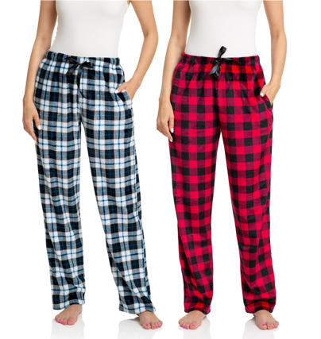 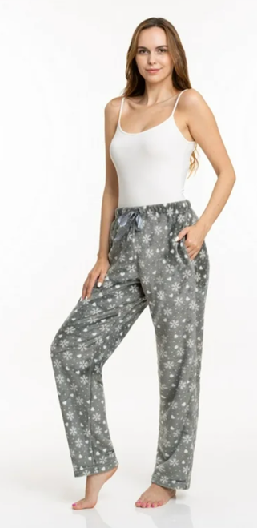 | BRJX17-WPPXS | WOMENS PLUSH PJ PANTS - Set of 2 | Small | Packed 2 Pieces in a POLY - Counted as 2 | 10
 | BRJX17-WPPL | WOMENS PLUSH PJ PANTS - Set of 2|SET 17|Large | Large | Packed 2 Pieces in a POLY - Counted as 2 | 69
 | BRJX17-WPPM | WOMENS PLUSH PJ PANTS - Set of 2|SET 17|Medium | Medium | Packed 2 Pieces in a POLY - Counted as 2 | 65
 | BRJX17-WPPS | WOMENS PLUSH PJ PANTS - Set of 2|SET 17|Small | Small | Packed 2 Pieces in a POLY - Counted as 2 | 10
 | BRJX17-WPPXL | WOMENS PLUSH PJ PANTS - Set of 2|SET 17|X Large | Extra Large | Packed 2 Pieces in a POLY - Counted as 2 | 31
 | BRJX17-WPP2XL | WOMENS PLUSH PJ PANTS - Set of 2|SET 17|XX Large | 2XL | Packed 2 Pieces in a POLY - Counted as 2 | 7
 | BRJX18-WPPL | WOMENS PLUSH PJ PANTS - Set of 2|SET 18|Large | Large | Packed 2 Pieces in a POLY - Counted as 2 | 25
 | BRJX18-WPPM | WOMENS PLUSH PJ PANTS - Set of 2|SET 18|Medium | Medium | Packed 2 Pieces in a POLY - Counted as 2 | 14
 | BRJX18-WPPS | WOMENS PLUSH PJ PANTS - Set of 2|SET 18|Small | Small | Packed 2 Pieces in a POLY - Counted as 2 | 12
 | BRJX18-WPPXL | WOMENS PLUSH PJ PANTS - Set of 2|SET 18|X Large | Extra Large | Packed 2 Pieces in a POLY - Counted as 2 | 54
 | BRJX18-WPP2XL | WOMENS PLUSH PJ PANTS - Set of 2|SET 18|XX Large | 2XL | Packed 2 Pieces in a POLY - Counted as 2 | 10
...
Image | Item Code | Description | Size | Notes | Units
 | BRJX25-WPPXL | WOMENS PLUSH PJ PANTS - Set of 2|SET 25|X Large | Extra Large | Packed 2 Pieces in a POLY - Counted as 2 | 20
 | BRJX27-WPPL | WOMENS PLUSH PJ PANTS - Set of 2|SET 27|Large | Large | Packed 2 Pieces in a POLY - Counted as 2 | 15
 | BRJX27-WPPM | WOMENS PLUSH PJ PANTS - Set of 2|SET 27|Medium | Medium | Packed 2 Pieces in a POLY - Counted as 2 | 38
 | BRJX27-WPPS | WOMENS PLUSH PJ PANTS - Set of 2|SET 27|Small | Small | Packed 2 Pieces in a POLY - Counted as 2 | 15
 | BRJX27-WPPXL | WOMENS PLUSH PJ PANTS - Set of 2|SET 27|X Large | Extra Large | Packed 2 Pieces in a POLY - Counted as 2 | 43
 | BRJX27-WPPXS | WOMENS PLUSH PJ PANTS - Set of 2|SET 27|X Small | Extra Small | Packed 2 Pieces in a POLY - Counted as 2 | 3
 | BRJX29-WPPL | WOMENS PLUSH PJ PANTS - Set of 2|SET 29|Large | Large | Packed 2 Pieces in a POLY - Counted as 2 | 15
 | BRJX29-WPPM | WOMENS PLUSH PJ PANTS - Set of 2|SET 29|Medium | Medium | Packed 2 Pieces in a POLY - Counted as 2 | 15
 | BRJX29-WPPS | WOMENS PLUSH PJ PANTS - Set of 2|SET 29|Small | Small | Packed 2 Pieces in a POLY - Counted as 2 | 2
 | BRJX29-WPPXL | WOMENS PLUSH PJ PANTS - Set of 2|SET 29|X Large | Extra Large | Packed 2 Pieces in a POLY - Counted as 2 | 15
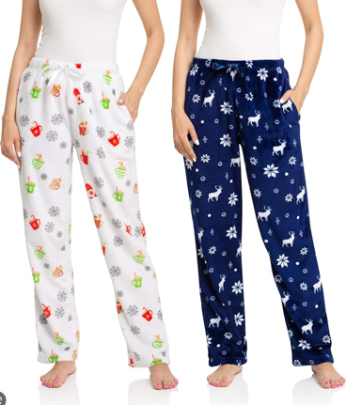
 | BRJX29-WPPXS | WOMENS PLUSH PJ PANTS - Set of 2|SET 29|X Small | Extra Small | Packed 2 Pieces in a POLY - Counted as 2 | 8
 | BRJX30-WPPL | WOMENS PLUSH PJ PANTS - Set of 2|SET 30|Large | Large | Packed 2 Pieces in a POLY - Counted as 2 | 35
 | BRJX30-WPPXL | WOMENS PLUSH PJ PANTS - Set of 2|SET 30|X Large | Extra Large | Packed 2 Pieces in a POLY - Counted as 2 | 10
 | BRJX30-WPPXS | WOMENS PLUSH PJ PANTS - Set of 2|SET 30|X Small | Extra Small | Packed 2 Pieces in a POLY - Counted as 2 | 15
 | BRJX30-WPP2XL | WOMENS PLUSH PJ PANTS - Set of 2|SET 30|XX Large | 2XL | Packed 2 Pieces in a POLY - Counted as 2 | 10
 | BRJX31-WPPL | WOMENS PLUSH PJ PANTS - Set of 2|SET 31|Large | Large | Packed 2 Pieces in a POLY - Counted as 2 | 81
 | BRJX31-WPPM | WOMENS PLUSH PJ PANTS - Set of 2|SET 31|Medium | Medium | Packed 2 Pieces in a POLY - Counted as 2 | 76
 | BRJX31-WPPS | WOMENS PLUSH PJ PANTS - Set of 2|SET 31|Small | Small | Packed 2 Pieces in a POLY - Counted as 2 | 3
 | BRJX31-WPPXL | WOMENS PLUSH PJ PANTS - Set of 2|SET 31|X Large | Extra Large | Packed 2 Pieces in a POLY - Counted as 2 | 22
 | BRJX31-WPPXS | WOMENS PLUSH PJ PANTS - Set of 2|SET 31|X Small | Extra Small | Packed 2 Pieces in a POLY - Counted as 2 | 10
 | BRJX31-WPP2XL | WOMENS PLUSH PJ PANTS - Set of 2|SET 31|XX Large | 2XL | Packed 2 Pieces in a POLY - Counted as 2 | 3
 | BRJX32-WPPL | WOMENS PLUSH PJ PANTS - Set of 2|SET 32|Large | Large | Packed 2 Pieces in a POLY - Counted as 2 | 15
 | BRJX32-WPPM | WOMENS PLUSH PJ PANTS - Set of 2|SET 32|Medium | Medium | Packed 2 Pieces in a POLY - Counted as 2 | 15
 | BRJX32-WPPXL | WOMENS PLUSH PJ PANTS - Set of 2|SET 32|X Large | Extra Large | Packed 2 Pieces in a POLY - Counted as 2 | 15
 | BRJX32-WPP2XL | WOMENS PLUSH PJ PANTS - Set of 2|SET 32|XX Large | 2XL | Packed 2 Pieces in a POLY - Counted as 2 | 5
...

